Dashboard
Cost of Sales
 | Cost of sales
2020 | 3,915
2021 | 25,630
2022 | 29,280
2023E | 20,294
2024E | 8,040
2025E | 7,471
2026E | 7,251
2023 YTD Revenue by Segment
Primary Care | 23,602
Specialty Care | 11,021
Oncology | 8,696
Business Innovation | 928
2023 YTD Revenue by Geography
United States | 11,683 | 4,830 | 5,695 | 289
Developed Europe | 3,598 | 2,056 | 1,138 | 426
Developed Rest of World | 3,050 | 1,149 | 590 | 63
Emerging Markets | 5,271 | 2,987 | 1,273 | 150
Revenue Projection
2020 | 41,908
2021 | 81,288
2022 | 100,330
2023E | 56,395
2024E | 51,560
2025E | 47,910
2026E | 46,500
2027E | 46,100
2028E | 44,380
2029E | 42,875
2030E | 43,070
Seagen Revenue
Dec '17 | 482.25
Dec '18 | 654.7
Dec '19 | 916.713
Dec '20 | 2175.54
Dec '21 | 1574.37
Dec '22 | 1962.41
Dec '23E | 2457.75
Company Analysis |  |  |  | Price History | Date | S&P 500 | Pfizer | % chg S&P | % chg PFE
 |  |  |  |  | 2021-12-01 | 460.628662 | 54.710258
 | Drug | US Patent Expiration | 2023E Revenue |  | 2022-01-01 | 437.867493 | 48.817665 | -4.9% | -10.8%
 | Comirnaty | 2029 | 11,500 |  | 2022-02-01 | 424.942932 | 43.820915 | -3.0% | -10.2%
 | Paxlovid | 2041 | 1,000 |  | 2022-03-01 | 439.551208 | 48.329975 | 3.4% | 10.3%
 | Eliquis | 2026 | 7,250 |  | 2022-04-01 | 402.217896 | 45.809376 | -8.5% | -5.2%
 | Prevnar | 2026 | 5,900 |  | 2022-05-01 | 403.125793 | 49.515579 | 0.2% | 8.1%
 | Vyndaqel | 2024 | 2,900 |  | 2022-06-01 | 368.292969 | 49.345268 | -8.6% | -0.3%
 | Enbrel | 2028 | 830 |  | 2022-07-01 | 403.945526 | 47.538231 | 9.7% | -3.7%
 | Sulperazon | 2032 | 950 |  | 2022-08-01 | 387.463745 | 42.899197 | -4.1% | -9.8%
 | Ibrance | 2027 | 4,900 |  | 2022-09-01 | 350.20575 | 41.504948 | -9.6% | -3.3%
 | Xtandi | 2027 | 1,175 |  | 2022-10-01 | 380.224396 | 44.151169 | 8.6% | 6.4%
 | Inylta | 2025 | 1,075 |  | 2022-11-01 | 401.361664 | 47.546688 | 5.6% | 7.7%
 |  |  |  |  | 2022-12-01 | 376.503021 | 49.016022 | -6.2% | 3.1%
 |  |  |  |  | 2023-01-01 | 402.017944 | 42.243317 | 6.8% | -13.8%
 |  |  |  |  | 2023-02-01 | 391.910126 | 39.165421 | -2.5% | -7.3%
 |  |  |  |  | 2023-03-01 | 404.895966 | 39.387459 | 3.3% | 0.6%
 |  |  |  |  | 2023-04-01 | 412.934143 | 37.543587 | 2.0% | -4.7%
 |  |  |  |  | 2023-05-01 | 414.840332 | 36.703709 | 0.5% | -2.2%
Cash Dividends Paid
 | Cash dividends paid per common share
2020 | 1.53
2021 | 1.57
2022 | 1.61
Current Drug Pipeline
Number of Active Phase I Trials | 26.0
Number of Active Phase II Trials | 30.0
Number of Active Phase III Trials | 23.0
Products in Pre-Registration | 4.0
 |  |  |  |  | 2023-06-01 | 440.087158 | 35.793262 | 6.1% | -2.5%
 |  |  |  |  | 2023-07-01 | 456.180908 | 35.188251 | 3.7% | -1.7%
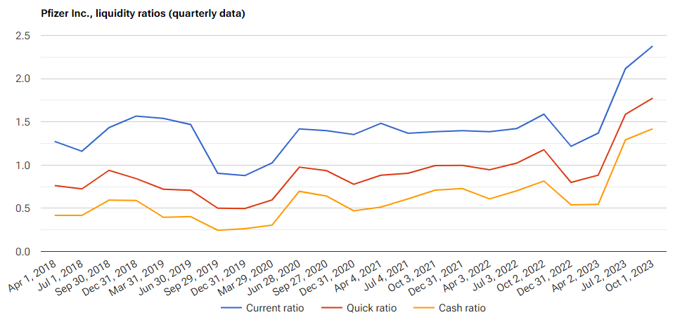
Segment Projections
 | Total Revenue | Primary Care | Speciality Care | Oncology | Future Drug Pipelines & Seagen
2020 | 41,908 | 15,333 | 13,507 | 10,866 | 0
2021 | 81,288 | 51,840 | 14,377 | 12,333 | 0
2022 | 100,330 | 72,903 | 13,760 | 12,133 | 0
2023E | 56,395 | 29,435 | 13,705 | 11,980 | 0
2024E | 51,560 | 23,725 | 13,975 | 12,510 | 2,250
2025E | 47,910 | 20,475 | 12,955 | 13,065 | 2,645
2026E | 46,500 | 18,280 | 13,330 | 13,620 | 3,099
2027E | 46,100 | 17,235 | 13,425 | 13,865 | 3,622
2028E | 44,380 | 15,705 | 13,535 | 13,605 | 4,222
2029E | 42,875 | 14,035 | 13,825 | 13,375 | 4,913
2030E | 43,070 | 14,005 | 14,185 | 13,185 | 5,708
 |  |  |  |  | 2023-08-01 | 448.767059 | 34.90934 | -1.6% | -0.8%
 |  |  |  |  | 2023-09-01 | 425.977448 | 32.728737 | -5.1% | -6.2%
 |  |  |  |  | 2023-10-01 | 418.200012 | 30.153458 | -1.8% | -7.9%
 |  |  |  |  | 2023-11-01 | 440.609985 | 29.087826 | 5.4% | -3.5%

Industry Analysis

